listing
1) ENGLISH ITEM NAME (ex : OOOO machine) | 2)中文名称 | 3) MANUFACTUROR (ex : OOO company) | 4) MODEL NO (ex : abc-123) | 5)Serial number | 6)CN hs code | 7)VN hs code | 11) Manufacture date (yyyy-mm-dd) | 12) ORIGIN | 13) NEW or USED | 14) PICTURE (BEFORE PACKING) | 15) PICTURE (NAME PLATE or label) | 16)Quantity
FCT JIG | PCBA测试架 | Techsen Electronics(ShenZhen)Co.,Ltd | VE-1 | VE-1P01 |  |  | 2025-11-06 | CHINA | NEW | 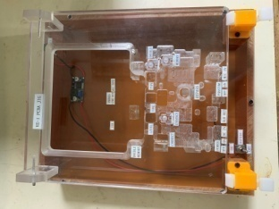 |  | 2
Soldering LED, VR, and SW fixtures | 焊LED/VR/SW治具 | Techsen Electronics(ShenZhen)Co.,Ltd | VE-1 | VE-1F05 |  |  | 2025-11-06 | CHINA | NEW | 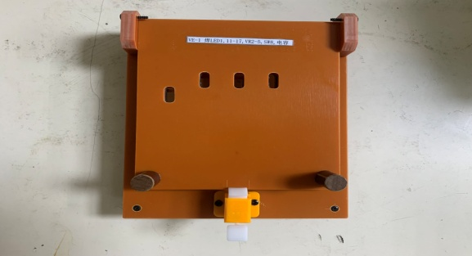 |  | 2
Welding iron sheets, cable routing, and glue dispensing fixtures | 焊铁片/排线/打胶水治具 | Techsen Electronics(ShenZhen)Co.,Ltd | VE-1 | VE-1F06 |  |  | 2025-11-06 | CHINA | NEW | 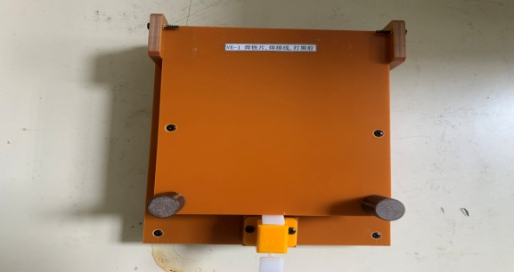 |  | 2
Panel Sawing Fixture | 分板治具 | Techsen Electronics(ShenZhen)Co.,Ltd | VE-1 | VE-1F07 |  |  | 2025-11-06 | CHINA | NEW | 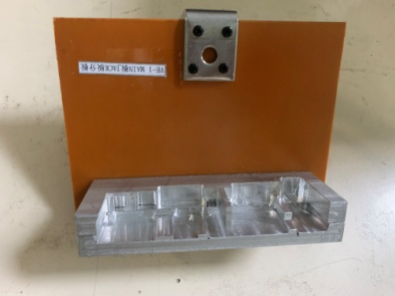 |  | 1
Soldering fixture | 执锡治具 | Techsen Electronics(ShenZhen)Co.,Ltd | VE-1 | VE-1F08 |  |  | 2025-11-06 | CHINA | NEW | 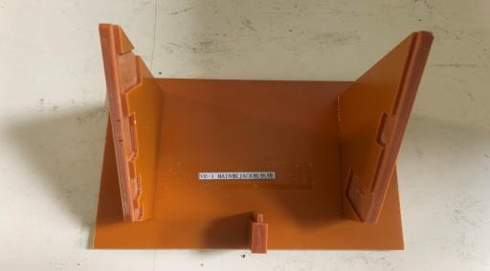 |  | 1
Check VR button fixture | 检查VR钮治具 | Techsen Electronics(ShenZhen)Co.,Ltd | VE-2 | VE-2F09 |  |  | 2025-11-06 | CHINA | NEW |  |  | 1
Capacitor processing fixture | 电容加工治具 | Techsen Electronics(ShenZhen)Co.,Ltd | VE-1 | VE-1F10 |  |  | 2025-11-06 | CHINA | NEW |  |  | 1
test box | 测试盒 | Techsen Electronics(ShenZhen)Co.,Ltd | VE-1 | VE-1C01 |  |  | 2025-11-06 | CHINA | NEW | 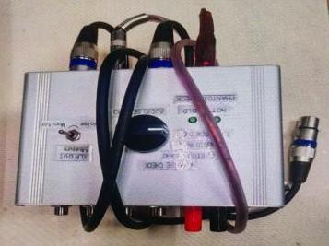 |  | 3
test box | 测试盒 | Techsen Electronics(ShenZhen)Co.,Ltd | VE-2 | VE-2C01 |  |  | 2025-11-06 | CHINA | NEW | 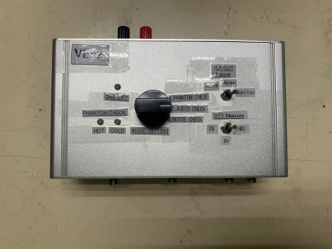 |  | 3
Fake battery | 假电池 | Techsen Electronics(ShenZhen)Co.,Ltd | 2A | / |  |  | 2025-11-06 | CHINA | NEW |  |  | 40
windmill | 风磨机 | Lecheng Hardware Tool Store | NK-180 | / |  |  | 2025-10-08 | CHINA | NEW | 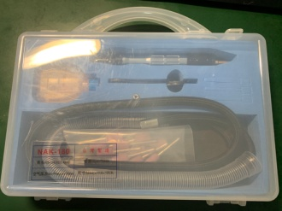 |  | 1
milling cutter | 铣刀 | Jinxuan Gongliang Enterprise Store | 24mm | / |  |  | 2025-08-09 | CHINA | NEW | 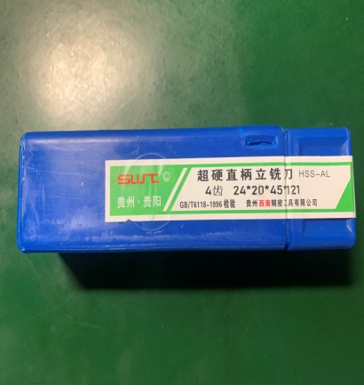 |  | 2
power box | 电源盒 | Techsen Electronics(ShenZhen)Co.,Ltd | / | DC01 |  |  | 2025-11-06 | CHINA | NEW | 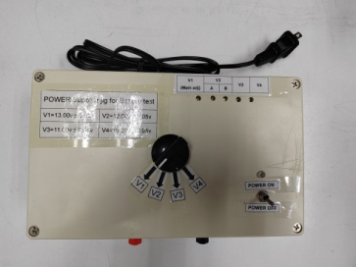 |  | 2
Needle-type tensiometer | 针式拉力计 | JYW GROUP(HON KONG) CO.TLD | NK-500 | / |  |  | 2025-06-11 | CHINA | NEW | 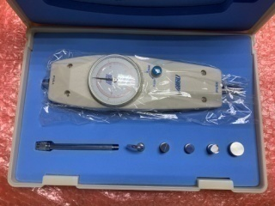 |  | 1
Soldering LED, VR, and SW fixtures | 焊LED/VR/SW治具 | Techsen Electronics(ShenZhen)Co.,Ltd | VE-2 | VE-2F01 |  |  | 2025-11-16 | CHINA | NEW | 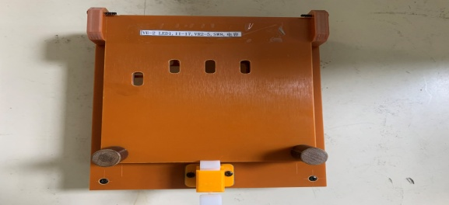 |  | 2
Welding iron sheets, cable routing, and glue dispensing fixtures | 焊铁片/排线/打胶水治具 | Techsen Electronics(ShenZhen)Co.,Ltd | VE-2 | VE-2F02 |  |  | 2025-11-16 | CHINA | NEW |  |  | 2
Panel Sawing Fixture | 分板治具 | Techsen Electronics(ShenZhen)Co.,Ltd | VE-2 | VE-2F03 |  |  | 2025-11-16 | CHINA | NEW | 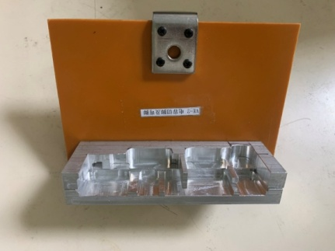 |  | 1
Soldering fixture | 执锡治具 | Techsen Electronics(ShenZhen)Co.,Ltd | VE-2 | VE-2F04 |  |  | 2025-11-16 | CHINA | NEW | 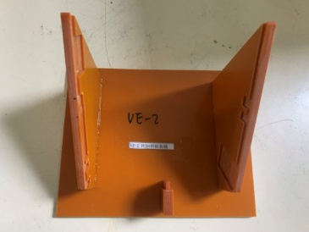 |  | 1
Capacitor processing fixture | 电容加工治具 | Techsen Electronics(ShenZhen)Co.,Ltd | VE-2 | VE-2F05 |  |  | 2025-11-16 | CHINA | NEW | 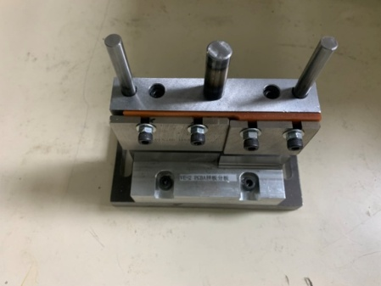 |  | 1
FCT JIG | PCBA测试架 | Techsen Electronics(ShenZhen)Co.,Ltd | VE-2 | VE-2P01 |  |  | 2025-11-16 | CHINA | NEW | 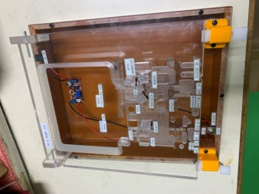 |  | 2
Fixed bottom shell, lock VR nut fixture | 固定底面壳/锁VR螺母治具 | Techsen Electronics(ShenZhen)Co.,Ltd | VE-2 | VE-2F06 |  |  | 2025-11-16 | CHINA | NEW |  |  | 1
Positioning MAIN board and JACK board cycloidal fixture | 定位MAIN板与JACK板摆线治具 | Techsen Electronics(ShenZhen)Co.,Ltd | VE-2 | VE-2F07 |  |  | 2025-11-16 | CHINA | NEW | 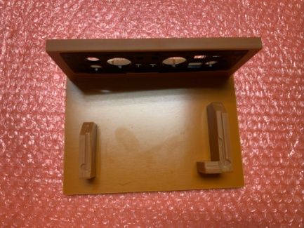 |  | 1
Lock the screws on the side of the bottom shell Nut fixture | 锁底壳侧面螺丝.螺母治具 | Techsen Electronics(ShenZhen)Co.,Ltd | VE-2 | VE-2F08 |  |  | 2025-11-16 | CHINA | NEW | 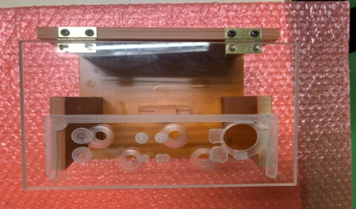 |  | 1
Lock shell button panel screw fixture | 锁面壳按钮面板螺丝治具 | Techsen Electronics(ShenZhen)Co.,Ltd | VE-2 | VE-2F09 |  |  | 2025-11-16 | CHINA | NEW | 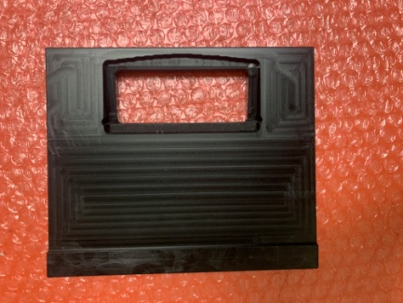 |  | 1
Lock bottom shell screw fixture | 锁底壳螺丝治具 | Techsen Electronics(ShenZhen)Co.,Ltd | VE-2 | VE-2F10 |  |  | 2025-11-16 | CHINA | NEW | 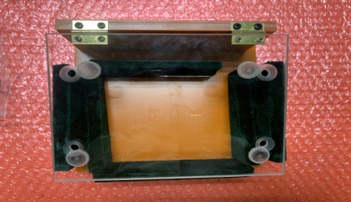 |  | 1
Soldering battery slingshot fixture | 焊电池弹弓治具 | Techsen Electronics(ShenZhen)Co.,Ltd | VE-2 | VE-2F11 |  |  | 2025-11-16 | CHINA | NEW |  |  | 1
Battery compartment slingshot (inner side) fixture | 装电池仓弹弓（内侧）治具 | Techsen Electronics(ShenZhen)Co.,Ltd | VE-2 | VE-2F12 |  |  | 2025-11-16 | CHINA | NEW |  |  | 1
Battery compartment slingshot (outer side) fixture | 装电池仓弹弓（外侧）治具 | Techsen Electronics(ShenZhen)Co.,Ltd | VE-2 | VE-2F13 |  |  | 2025-11-16 | CHINA | NEW | 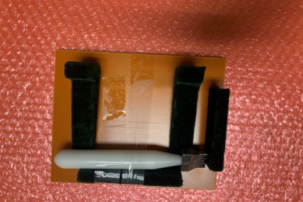 |  | 1
Check VR button fixture | 检查VR钮治具 | Techsen Electronics(ShenZhen)Co.,Ltd | VE-2 | VE-2F14 |  |  | 2025-11-16 | CHINA | NEW |  |  | 1

